search
Instructions to calculate an estimate of your Rates: 1. Enter the "Property number (assessment number)" in cell C11 (refer to your Rates Notice) 2. *Rates staff will be available to provide specific information about your property. Please contact Council directly with a request in writing and a response will be provided in 2-3 business days. Due to privacy considerations, only written requests and sufficient proof of property ownership (rate notice or a current driver’s licence showing the property address) will be acceptable.

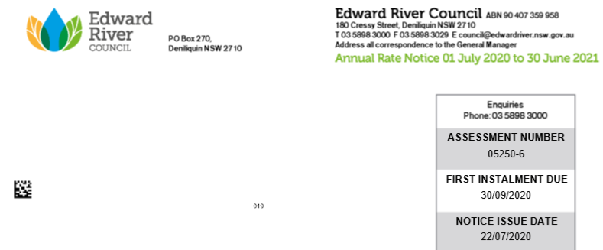
EDWARD RIVER COUNCIL - RATES HARMONISATION PROJECT
*Individual Property - Annual Rates Estimator 2021-22
**ENTER Assessment Number | 5250 | **Enter first 5 numbers of "Assessment Number" in Cell C11

Property Address | 601 Todds Road | DENILIQUIN

Land Valuation 2019 | $124,000

Current year 2020-21 Rate Charge | $511.50 | Residential Rates COResStd1
Estimated 2021-22 Rate Charge | $1,092.26 | NEW Residential Other
Annual Variation $ | $580.76 | INCREASE
Weekly Variation $ | $11.17 | INCREASE
Variation % Range | >100% | INCREASE
* General Rates Component only - service charges not included

